Data Integrity Check % Cleaning
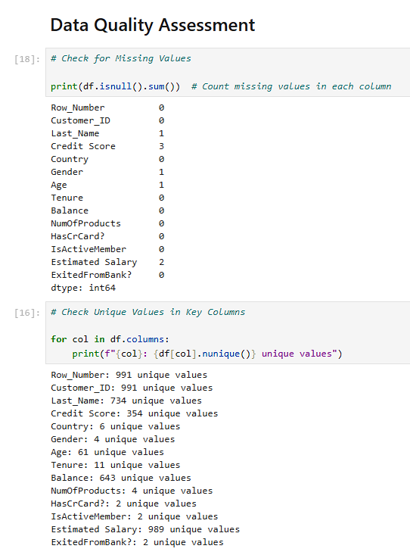
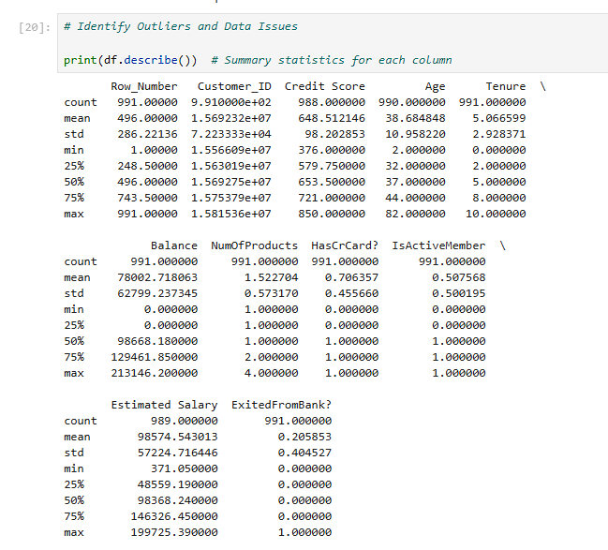
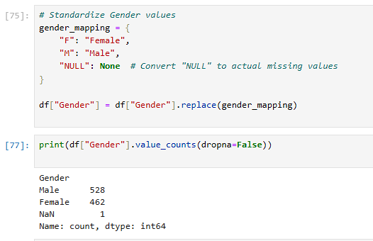

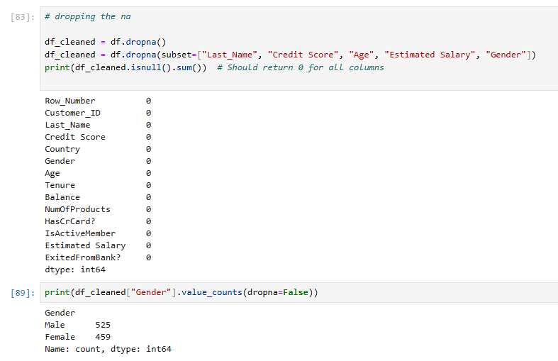

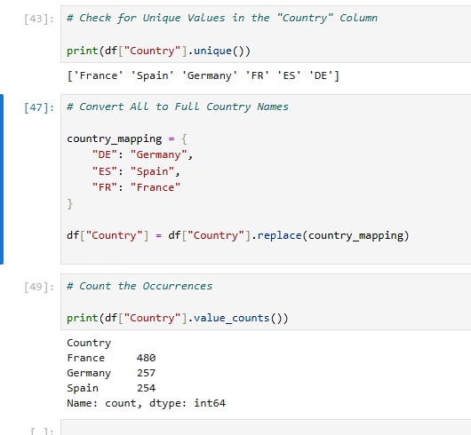

Notes:
Last_Name has blank values and multiple uses of same last name
Credit Score has blank values and multiples uses of same credit score
Age has null values
Country has name varieties
Gender has 1 Null and name varieties
Estimated Salary has null and blank values

All of the "isnull" are dropped and Country and Gender naming is aligned

Decision Tree
